Exam Topics
# | Questions | Answers | Additional comments / details
1 | An HR Admin without the System Admin role can do what? (Choose three.) | A. Grant roles to users or groups
 |  | B. Modify the HR Administration > Properties Most Voted
 |  | C. Reset user passwords
 |  | D. Create HR Criteria Most Voted
 |  | E. Configure business rules
 |  | F. Add users to groups Most Voted
2 | After the HR Admin [sn_hr_core.admin] role has been removed from the Admin role, how may a user with only the Admin role add members to HR groups? | A. The Admin must elevate their role to security_admin to add members to HR groups.
 |  | B. The Admin follows the same process as with any group membership change.
 |  | C. The Admin can no longer add members to HR groups. Most Voted
 |  | D. The Admin must impersonate an HR Admin to add members to HR groups.
3 | In the Create Bulk Cases module, which Filter by options are available in the dropdown? (Choose four.) | A. Document Template
 |  | B. Upload File Most Voted
 |  | C. HR Service Template
 |  | D. User Criteria Most Voted
 |  | E. HR Template
 |  | F. HR Profiles Most Voted
 |  | G. HR Criteria
4 | If you have both Admin and HR Admin roles and wanted to configure an Access Control for the Employee Relations Cases table, what must first be done? | A. Add the Delegated Developer role to your User record
 |  | B. From the User dropdown in the banner, elevate your role to security_admin Most Voted
 |  | C. Manually add the security_admin role to your User record
 |  | D. Nothing would need to be done
5 | What type of information does the HR Profile contain? | A. Personal employee data Most Voted
 |  | B. Group membership and role information
 |  | C. User login and department information
 |  | D. A user’s password
6 | How many User Criteria Records may be applied to a single KB or KB Article? | A. Only two
 |  | B. Only three
 |  | C. Unlimited Most Voted
 |  | D. Only one
7 | In the base ServiceNow instance, how are User Criteria used? | A. To control which users can access the HR Case application
 |  | B. To control what a user sees in the information and suggested reading widgets
 |  | C. To control read and write access to Knowledge bases and articles Most Voted
 |  | D. To control which users can access the HR Service Portal
8 | Which of the following are true for an HR application as it relates to the User [sys_user] Table and the HR Profile [sn_hr_core.profile] Table? | A. Both are required. Most Voted
 |  | B. Only HR Profile table is required in HR.
 |  | C. Neither are required.
 |  | D. Only the User table is required in HR.
9 | In the base instance, what determines the conditions a Case must meet before it can be assigned to an agent? | A. Matching Rules Most Voted
 |  | B. Client Rules
 |  | C. ACLs
 |  | D. Escalation Rules
10 | What role is required, at a minimum, to view confidential HR Profile data? | A. HR Admin [sn_hr_core.admin]
 |  | B. HR Basic [sn_hr_core.basic] Most Voted | sn_hr_core.basic contains the role sn_hr_core.profile_writer https://docs.servicenow.com/bundle/washingtondc-employee-service-management/page/product/human-resources/concept/c_HRProfileSecurity.html
 |  | C. LE Admin [sn_hr_le.admin]
 |  | D. HR Manager [sn_hr_core.manager]
11 | What types of HR Document templates may be created in ServiceNow? (Choose two.) | A. Document Templates Most Voted | https://docs.servicenow.com/bundle/vancouver-employee-service-management/page/product/human-resources/concept/c_HRDocumentTemplates.html
 |  | B. Word document templates
 |  | C. PDF document templates Most Voted
 |  | D. Text document templates
12 | What are the advantages of removing the HR Admin role from the system Admin role after the HR Implementation tasks have been completed? (Choose two.) | A. This ensures that HR has control over further HR configurations. Most Voted
 |  | B. The HR Admin role should remain a part of the system Admin role.
 |  | C. This ensures that confidential HR data is only accessible to users with an HR role. Most Voted
 |  | D. It is not necessary because the system Admin always has access to all HR data.
13 | What does ServiceNow now call the HR application? | A. HRDS - HR Deliver Service
 |  | B. HRSM - HR Service Management
 |  | C. HRMS - HR Management System
 |  | D. HRSD - HR Service Delivery
14 | What defines an employee's access to the HR Service Portal / Employee Service Center? | A. Group membership
 |  | B. User Criteria
 |  | C. HR Criteria
 |  | D. Client Roles Most Voted
15 | What kind of records do HR Requests create? | A. HR Incidents
 |  | B. HR Files
 |  | C. HR Problems
 |  | D. HR Cases Most Voted
16 | In the HR Guided Setup Module, why are some tasks locked in the Task view? | A. They require an elevated role to access.
 |  | B. They are deprecated tasks that should not be completed.
 |  | C. They require other tasks to be completed first.
 |  | D. They require a plugin to be activated first. Most Voted | implementation ebook (section 2.3 (1st page)): Some tasks may be locked because they require a plugin to be activated.
17 | Which of the following are examples of HR application scopes? (Choose four.) | A. Human Resources: COE | https://support.servicenow.com/kb?id=kb_article_view&sysparm_article=KB0691402
 |  | B. Human Resources: Core Most Voted
 |  | C. Human Resources: Knowledge
 |  | D. Human Resources: Integrations Most Voted
 |  | E. Human Resources: Lifecycle Events Most Voted
 |  | F. Human Resources: Global
 |  | G. Human Resources: Service Portal
19 | If the Audience field has been configured on a Lifecycle Event Activity, what will the system do if the subject person does not meet the criteria for that Activity? | A. the activity must be manually closed by the HR professional
 |  | B. the Lifecycle Event will be canceled
 |  | C. the activity must be manually closed by the Subject person
 |  | D. the activity will be skipped Most Voted | From the Implementaion training book: "Audience records contain sets of filters used to define who may view content. When an Audience is defined on a Lifecycle event activity, but not on activity set, the activity will only be triggered if the employee meets the conditions. In the example shown, the task will only be triggered if the employee is remote. If an employee does not meet the criteria, the activity will be skipped"
20 | The ServiceNow SIM methodology is based around what generic methodologies? | A. Waterfall and Rapid Application Development (RAD)
 |  | B. Agile and Waterfall Most Voted | SIM is our enhanced methodology used by ServiceNow Global Services and its partners to implement our products. SIM contains six stages that are applied adaptively, based on the type of engagement and/or the product(s) in scope. These stages are: - Initiate Understand the customer, begin the preparation work, staff the delivery team, formal engagement kickoff - Examine Workshops to understand process and platform needs - Plan Finalize engagement timeline, refine configuration requirements (stories) - Create Run Agile Scrum cycles to realize business objectives and value through rapid configuration and transparent reporting - Transition UAT, training, customer support readiness, go-live, and post go-live support - Close Formal engagement closure, internal feedback of lessons learned, and assessment of success
 |  | C. Prince
 |  | D. Scrum and XP
21 | If an HR Services needs to be accessible to employees on the Employee Service Center, what field must be completed on the HR Service? | A. Checklist
 |  | B. Fulfiller Instructions
 |  | C. Lifecycle Event type
 |  | D. Record Producer Most Voted
22 | HR Profiles may be created for multiple employees using conditions and criteria in which module? | A. Create Human Resources Profile
 |  | B. Create new Case
 |  | C. Generate HR Profiles Most Voted
 |  | D. Bulk Cases
23 | User authentication and Instance restriction are examples of what type of security? | A. Physical Security
 |  | B. Roles and Groups
 |  | C. Contextual Security
 |  | D. Platform Access Most Voted
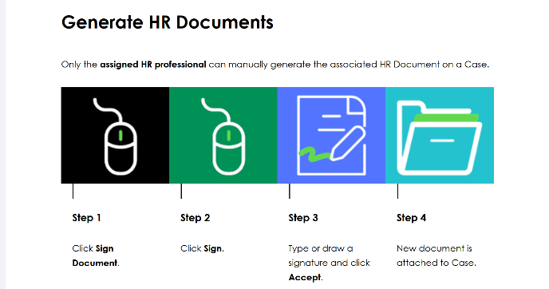
24 | If the HR Service does not have any Case options specified, HR Documents must be manually generated for the HR Case. In this situation, who is able to generate an HR document for the Case? | A. Any HR professional
 |  | B. Only an HR Admin
 |  | C. Only an HR Manager
 |  | D. Only the assigned to person
25 | When does the HR Template populate information on the HR Case form? | A. When the Opened for person is selected
 |  | B. When the Assignment group is selected.
 |  | C. When the HR Case Type is selected.
 |  | D. When the HR service is selected on the HR Case Creation form
26 | The HR Profile table is used to track information for what Employment types? (Choose three.) | A. Other
 |  | B. Potential Employee
 |  | C. Full Time Employee Most Voted
 |  | D. Temporary Employee Most Voted
 |  | E. Spouse
 |  | F. Contractor Most Voted
27 | If the HRSD application is scoped, why can the System Administrator initially access all HR applications after the plugin has been installed? | A. When the HR plugins are installed, the necessary HR roles are added to the Admin role. Most Voted
 |  | B. The roles were manually granted by a ServiceNow security user.
 |  | C. The Admin will always have access to all HR tables and data.
 |  | D. The roles were manually granted by an HR Admin.
28 | Scenario: You have an existing ITSM customer who is now implementing HR Enterprise. In UAT, they discovered that they get an error message about a Read operation from the HR scope to the Global scope being denied. You have verified that each Script Include was written correctly. What else must be done to allow the Script Includes to work in the HR application? | A. The Status of the associated record on the Application Restricted Caller Access list must be set to Denied.
 |  | B. You must create a custom ACL to allow the script includes to work.
 |  | C. The Status of the associated record on the Application Restricted Caller Access list must be set to Allowed. Most Voted | Explanation: HR Implementation ebook (page 16) says: Customizations that reference a script include can lead to RCA errors when upgrading. To help prevent this issue, you can Add the appropriate RCA record / Reset the script include's caller access to none.
 |  | D. You must change Scope for the script includes to work.
29 | In the HR Guided Setup Module, the Configuration View displays which of the following for a Category? (Choose three.) | A. Properties Most Voted | From implementation training book: "Configuration View: set configurations through the corresponding forms, lists, properties, etc. It also provides access to contextual embedded help, contextual documentation on the ServiceNow product documentation site, and guided tour (if available for an activity)."
 |  | B. Gauges
 |  | C. Dashboards
 |  | D. Lists Most Voted
 |  | E. Overviews
 |  | F. Forms Most Voted
30 | What method needs to be invoked from MatchingRuleProcessor class? | A. processAndGetCandidates Most Voted | Reference: https://docs.servicenow.com/csh?topicname=t_InvokeMatchingRuleAPI.html&version=latest
 |  | B. processAndGetUsers
 |  | C. processAndGelList
 |  | D. processAndGetArray
31 | If an HR Service will only be used internally by HR professionals, what is the minimum configuration needed? | A. HR Service and HR Template.
 |  | B. HR Service, HR Template, and Record Producer.
 |  | C. HR Service. Most Voted
 |  | D. HR Service, HR Template, Record Producer, and Lifecycle event type.
32 | The Knowledge bases searched for the Knowledge results section on an HR Case are determined by what? | A. Contextual Search configuration Most Voted
 |  | B. HR Service configuration
 |  | C. HR Criteria configuration
 |  | D. Knowledge Management configuration
33 | When gathering requirements for HR Services, it is best to begin by defining the Service then working upwards, categorizing in progressively more detail. What are the basic categories used? | A. HR Service, Topic Detail, COE.
 |  | B. HR Service, Topic Category, Activity Category, Activities, COE.
 |  | C. HR Service, Topic Category, COE.
 |  | D. HR Service, Topic Detail, Topic Category, COE. Most Voted
34 | If a knowledge base and its articles have no user criteria selected, a user without a role can do what? | A. read and contribute articles
 |  | B. read articles, but not contribute Most Voted | based in the description for [glide.knowman.block_access_with_no_user_criteria] "Enter the value as true to deny *contribute access* to a knowledge base when Can Contribute or Can Read user criteria isn’t set." The default value for the property is "true" Based on this description, I believe B is still the correct answer.
 |  | C. can neither read nor contribute articles
 |  | D. contribute, but not read articles
35 | How does ServiceNow know which HR Template to use on an HR Case? | A. The HR Template is referenced on the HR Service record. Most Voted
 |  | B. The HR Template is referenced on the record producer form.
 |  | C. Each COE has a specific HR Template.
 |  | D. The HR Template is selected directly on the Catalog item.
36 | What are the key differentiators between an HR Profile record and a User record? (Choose three.) | A. The HR Profile stores the employee's assigned delegates.
 |  | B. The HR Profile includes group membership information.
 |  | C. The HR Profile includes employee organizational information like Colleagues. Most Voted | https://docs.servicenow.com/fr-FR/bundle/vancouver-employee-service-management/page/product/human-resources/concept/c_HRProfileSecurity.html
 |  | D. The HR Profile stores login credential information.
 |  | E. The HR Profile may include employee marital status. Most Voted
 |  | F. The HR Profile is intended to store confidential employee data that is pertinent for HR.
37 | If a customer has a huge employee population, complex organizational structures, and requires custom integrations and language translations, what level of configuration complexity would their project be considered? | A. Drastic Most Voted | From the implementation training book: - Major Configuration: Applies to any customer that wants to make significant changes to the base instance. These customers often have a large employee populations, varied business units with varying business needs, and/or is global. - These customers may need custom integrations or language translations. - Drastic Configuration: Applies to any customer who suggests they would need exorbitant changes to the base instance. These customers often have a huge employee population, complex organizational structures
 |  | B. Low
 |  | C. Major
 |  | D. Nominal
38 | When an employee completes a questionnaire on an Employee Form, on which table does the system store their answers? | A. Form [sys_ui_form]
 |  | B. Metric Result [asmt_metric_result] Most Voted
 |  | C. Question Answer [question_answer]
 |  | D. HR Case [sn_hr_core_case]
39 | With the I18N: Knowledge Management Internationalization Plugin v2 enabled, how are translated Knowledge articles associated with each other so that the user is presented with the article in the selected language? | A. Article Versions related list
 |  | B. Knowledge feedback related list
 |  | C. Affected Products related list
 |  | D. Translated Versions related list
40 | When creating a PDF Document Template, where does the list of Document Revisions come from? | A. From Managed Documents
 |  | B. From Document Templates
 |  | C. From Knowledge Articles
 |  | D. From System Documents
41 | Only users with which role, at a minimum, may view the confidential data on the HR Profiles table? | A. Profile Writer [sn_hr_core.profile_writer]
 |  | B. Profile Reader [sn_hr_core.profile_reader] Most Voted
 |  | C. HR Case Writer [sn_hr_le.case_writer]
 |  | D. HR Case Reader [sn_hr_le.case_reader]
42 | What determines if a user can view a Knowledge article? | A. Can/Cannot Read User Criteria Most Voted
 |  | B. Can/Cannot Contribute User Criteria
 |  | C. HR Criteria
 |  | D. ACL Rules
43 | What do Client Roles define? | A. Groups for the customer's clients.
 |  | B. Roles that come into force if user uses a browser client.
 |  | C. Named roles (eg VP of Operations, SVP Sales) for a customer’s clients.
 |  | D. Access for new hires, employees, alumni, contingent, and contract workers.
44 | When a Guided Setup task is marked as complete, how can it be reopened? | A. Closed tasks cannot be reopened
 |  | B. Click the Mark as Incomplete button Most Voted | https://docs.servicenow.com/bundle/rome-platform-administration/page/administer/core-configuration/concept/guided-setup.html
 |  | C. Submit a request in HI
 |  | D. Restart the Guided Setup entirely
45 | When creating a PDF Document template, the Document revision field must be completed. How does the system determine which documents are available to be selected for this field? | A. You must be a member of the Owning Group for the Managed Document
 |  | B. All Documents are visible
 |  | C. Your group memberships and the Document owner field on the Managed Document record Most Voted | https://docs.servicenow.com/bundle/vancouver-employee-service-management/page/product/human-resources/task/PDFTemplate.html
 |  | D. You must have created the Managed Document record
46 | What is used to create a link on an HR Case form that accesses information outside the application? | A. HR Service
 |  | B. Link Generator Most Voted
 |  | C. Restricted Caller Access
 |  | D. COE Configuration
47 | When configuring a PDF Document Template, how does the system map form fields to ServiceNow fields? | A. The Document field type on the PDF Template Mappings record
 |  | B. The Preview value field on the PDF Template Mappings record
 |  | C. The Mapping field on the PDF Template Mappings record Most Voted | Explanation: In the PDF Document Template record, you'll find a related list called "Field Maps". Here, you can create new records to map each PDF form field to a ServiceNow field. You do this by specifying the PDF form field's name and selecting the corresponding ServiceNow field.
 |  | D. The Document field on the PDF Template Mappings record
48 | If the Match All field is checked on a User Criteria record, the user: | A. Must satisfy at least one of the criteria to meet the conditions.
 |  | B. Must satisfy at least of the criteria to meet the conditions.
 |  | C. Must satisfy a majority percentage of the criteria to meet the conditions.
 |  | D. Must satisfy all of the selected criteria to meet the conditions.
49 | If a new HR Knowledge base is created, how can it be included in the Knowledge results section on the HR Case form? | A. Add it to the HR Template
 |  | B. Add it to the HR Service configuration
 |  | C. All Knowledge bases are searched by default
 |  | D. Add it to the Contextual Search configuration | HR Fundamentals ebook page 187: The Knowledge bases searched for the Knowledge results section on an HR Care are determined by the Contextual Search configuration. This means that if a customer has any new HR knowledge bases, those articles will not be returned in the knowledge results section unless the Contextual Search configuration is updated.
50 | How is the HR template associated with an HR service? | A. On the HR service record Most Voted
 |  | B. On the Lifecycle Event Activity Set
 |  | C. On the HR template record
 |  | D. On the HR case
51 | Where does the HR Administrator define which HR Profile fields can be edited in the ServiceNow instance? | A. HR Profile > Setup
 |  | B. HR Administration > Properties Most Voted | HR Implementation ebook page 35: HR Administration --> Properties can be used to configure HR profile fields editable by users (editable fields on HR profile).
 |  | C. HR Administration > Setup
 |  | D. HR Profiles > Properties
52 | What is the purpose of the Owning Group field on the HR Template? | A. They approve the Template to be published.
 |  | B. They own the Lifecycle Event.
 |  | C. They manage updates to the Template. Most Voted | https://docs.servicenow.com/bundle/utah-employee-service-management/page/product/human-resources/task/configure-hr-case-template.html
 |  | D. HR Cases are assigned to the Owning Group.
53 | The Enterprise Service Management Integrations framework contains common components to be used for integrating HR applications with third-party systems. Which capability does the Enterprise Service Management Integrations framework leverage to communicate with external instances and third-party systems? | A. Integration designer
 |  | B. Flow designer Most Voted
 |  | C. Design Hub
 |  | D. Mobile designer
54 | What are some of the benefits of having separate COE tables? (Choose two.) | A. Allows for an extra layer of security within the HR organization. Most Voted
 |  | B. Allows HR case agents to gather the right information based on the Service. Most Voted
 |  | C. Eliminates the need for an HR case agent.
 |  | D. Eliminates the need to create database views.
56 | What role is required to access the modules in the HR Integrations application? | A. HR Lifecycle Event Case Writer [sn_hr_le.case_writer]
 |  | B. HR Core Profile Reader [sn_hr_core.profile_reader]
 |  | C. Admin [admin]
 |  | D. HR Integrations Admin [sn_hr_integrations.admin]
57 | In the base ServiceNow platform, the Human Resources General Knowledge base has Can Contribute User Criteria set to Users with the [sn_hr_core.kb_write] role. If a Knowledge article in the Human Resources General Knowledge base has no Can Contribute User Criteria set, what is the minimum role a user would need to edit the article? | A. HR Admin [sn_hr_core.admin]
 |  | B. HR Basic [sn_hr_core.basic]
 |  | C. KB Reader [sn_hr_core.kb_reader]
 |  | D. KB Writer [sn_hr_core.kb_writer]
58 | In which module can the HR admin manage the HR email address for incoming HR requests? | A. HR Administration > Email Administration
 |  | B. System Properties > Email Setup
 |  | C. System Properties > Email Properties
 |  | D. HR Administration > Properties
59 | In the base ServiceNow configuration, when are HR Cases created after a Bulk HR case request is submitted? | A. Twice per day using a scheduled job
 |  | B. Every 6 hours using a scheduled job
 |  | C. Once a day using a scheduled job
 |  | D. Immediately | Explanation (since at least Washington DC release): immediately. Scheduled jobs for creating bulk hr cases has been deprecated. https://docs.servicenow.com/bundle/tokyo-employee-service-management/page/product/human-resources/concept/bulk-case.html
60 | An employee in Chicago submits a request using the Employee Service Center. The HR Case template associated with the HR Service defines the Skills needed, but not an Assignment Group. Using base platform functionality, which of the following is the first step the system takes to assign the Case? | A. An Assignment Rule creates a list of possible assignees
 |  | B. A Matching Rule assigns the Case to a group
 |  | C. The Case must be manually assigned
 |  | D. An Assignment Rule assigns the Case to a group | Assignment rule is trigger only if Assignment Group is empty (it does not use state or assigned to). Matching rule is triggered after the assignment rule to find the assignment group member with the necessary skills, in the appropriate country, and with the least workload.
61 | Which of the following are predefined Dashboards that are installed with HR Case Management? (Choose three.) | A. Manager Dashboard Most Voted
 |  | B. Overview Most Voted
 |  | C. Workforce Administration Dashboard
 |  | D. Onboarding Dashboard
 |  | E. Employee Relations Cases Dashboard
 |  | F. HR Case Dashboard Most Voted
62 | ServiceNow has identified 3 maturity levels for an HR customer. What are they? | A. Managed Interactions, Self-Reliance, Smart Services Most Voted
 |  | B. Managed Interactions, Self-Help, Advanced Services
 |  | C. No automation, Self-reliance, Smart Services
 |  | D. Managed Interactions, Self-Reliance, Automated Services
63 | When using the Generate HR Profiles module to create HR Profiles, what field must be completed to ensure the employees are granted the appropriate Client Role? | A. Employment type Most Voted
 |  | B. Profile type
 |  | C. Employee type
 |  | D. User type
64 | What does the employee utilize when submitting a self-service request to the HR Organization? | A. HR Catalog Most Voted
 |  | B. HR Skills
 |  | C. HR Template
 |  | D. HR Profile
65 | What is the primary purpose of HR Topic Categories? | A. They group common HR Services. Most Voted
 |  | B. They group common HR templates.
 |  | C. They group common HR employees.
 |  | D. They group common HR Catalog Items.
66 | What are the benefits of the HR application being scoped? (Choose three.) | A. Provides an additional layer of control over HR data. Most Voted | Explanation: HR Fundamentals ebook page 15: Scoped applications provide an additional layer of control over HR data. HR can move at their desired pace, independent of IT. Provides HR the autonomy and control needed to configure and manage all aspects of the HR application and Employee Center Pro. Confidential information is hidden from System Administrator and users who are not HR personnel.
 |  | B. Allows HR Admins to configure the HR application. Most Voted
 |  | C. HR department has more autonomy to manage all aspects of HRSD. Most Voted
 |  | D. Allows the System Administrator complete control.
 |  | E. HR department has full control of the global application.
67 | The HR Admin [sn_hr_core.admin] role allows the user to add members to groups. What additional role is needed for an HR Admin to remove users from groups? | A. User Admin [user_admin] Most Voted
 |  | B. User Writer [user_writer]
 |  | C. User Reader [user_reader]
 |  | D. HR User Admin [hr_user_admin]
68 | On the HR Case form, some HR Services have associated Response templates. What determines which HR Services have Response Templates? | A. The HR Criteria on the HR Service
 |  | B. The HR Criteria on the Response Template record
 |  | C. The table and conditions on the Response Template record Most Voted
 |  | D. The User Criteria on the HR Service
69 | At what level is User Criteria set to control who can read and edit knowledge articles? | A. In either the Knowledge Base or Article. Most Voted
 |  | B. In the Knowledge Article only.
 |  | C. In the User record.
 |  | D. In the Knowledge Base only.
70 | How many COEs may be associated with an HR Service? | A. 5
 |  | B. 1 Most Voted | Reminder: COEs ==> HR Service = 1 to many relationship
 |  | C. unlimited
 |  | D. 10
71 | Which module provides a user-friendly interface for creating new HR Skills and assigning HR skills to members of the HR department? | A. Skills Routing
 |  | B. Skills Management
 |  | C. Manage HR Skills Most Voted | https://docs.servicenow.com/bundle/utah-employee-service-management/page/product/human-resources/task/t_CreateOrModifyHRSkills.html
 |  | D. Skills Definition
72 | Which table is considered the core table for all HR Case records? | A. Skill [cmn_skill]
 |  | B. Incident [incident]
 |  | C. HR Task [sn_hr_core.task]
 |  | D. HR Case [sn_hr_core_case] Most Voted
 |  | E. HR Profile [sn_hr_core_profile]
73 | Which HR Role is typically granted to all HR Support staff, at a minimum? | A. HR Admin [sn_hr_core.admin]
 |  | B. HR Basic [sn_hr_core.basic]
 |  | C. HR KB Writer [sn_hr_core.kb_writer]
 |  | D. Document Management User [document_management_user]
75 | What is the difference between a configuration and a customization? | A. Configuration uses complex JavaScript while Customization involves field name changes and new buttons.
 |  | B. There is no difference between Configuration and Customization.
 |  | C. Customization uses the built-in tools in the platform while Configuration involves code changes.
 |  | D. Configuration uses the built-in tools in the platform while Customization involves code changes.
76 | Which Service Portal configuration option is used to customize the logo, theme, and title of the HR Service Portal? | A. Designer
 |  | B. Page Editor
 |  | C. Widget Editor
 |  | D. Branding Editor | Branding editor access in ServiceNow: Service Portal > Service Portal Configuration > Branding Editor https://docs.servicenow.com/bundle/washingtondc-platform-user-interface/page/build/service-portal/concept/c_BrandingEditor.html
77 | What is the minimum role required to access the HR Properties module? | A. HR Manager [sn_hr_core.manager]
 |  | B. LE Admin [sn_hr_le.admin]
 |  | C. Admin [admin]
 |  | D. HR Admin [sn_hr_core.admin]
78 | The HR Case [sn_hr_core_case] table is an extension of what? | A. Incident table
 |  | B. Case table
 |  | C. Task table | Explanation: HR Implementation ebook: The HR Core Cas [sn_hr_core_case] table is an extension of the Task table.
 |  | D. Lifecycle Events table
79 | What role is required to assign scoped HR roles? | A. HR Admin [sn_hr_core.admin]
 |  | B. HR Manager [sn_hr_core.manager]
 |  | C. LE Admin [sn_hr_le.admin]
 |  | D. HR Basic [sn_hr_core.basic]
80 | The customer you are implementing has purchased HR Service Delivery Enterprise which includes Enterprise Onboarding and Transitions. Which plugin must be activated to utilize Enterprise Onboarding and Transitions? | A. Human Resources Scoped App: Lifecycle Events [com.sn_hr_lifecycle_events] Most Voted
 |  | B. Employee Document Management [com.sn_employee_document_management]
 |  | C. Human Resources Scoped App: Core [com.sn_hr_core]
 |  | D. Employee Service Center [com.sn_hr_service_portal]
81 | The Lifecycle Events [sn_hr_le_case] table is a direct extension of which table? | A. Talent Management [sn_hr_core_talent_management]
 |  | B. HRIT Operations Case [sn_hr_core_case_operations]
 |  | C. HR Case [sn_hr_core_case] Most Voted | https://docs.servicenow.com/bundle/vancouver-employee-service-management/page/product/human-resources/reference/components-installed-with-enterprise-onboarding-and-transitions.html
 |  | D. Task [sc_task]
82 | Delegated Developers are granted access only to what in which they are working? | A. Interfaces
 |  | B. APIs
 |  | C. Instances
 |  | D. Scopes Most Voted | HR Implementation ebook page 156: Delegated developers are granted access only to the scopes in which they will be working.
83 | The customer you will be implementing for wants to utilize Now Mobile. What is the minimum HR SKU they may purchase that includes Now Mobile? | A. HR Service Delivery Professional Most Voted | https://www.servicenow.com/products/hr-service-delivery.html?state=seamless#pricing HR Implementation ebook: Also included in HR Service Delivery Professional: Predictive Intelligence, Now Mobile and Mobile Agent, Virtual Agent, Universal Requests
 |  | B. Now Mobile is a standalone solution
 |  | C. HR Service Delivery Enterprise
 |  | D. HR Service Delivery Standard
84 | If the HR Admin [sn_hr_core.admin] needs to develop within the HR application but cannot have the system Admin role, what additional role should be granted? | A. HR Basic [sn_hr_core.basic]
 |  | B. Scoped Developer [sn_hr_core.developer]
 |  | C. Delegated Developer [delegated_developer] Most Voted
 |  | D. HR Manager [sn_hr_core.manager]
85 | When a Document Template is created from an HR Case, the name of the person who created the document is added to the name of the attachment. Why? | A. It indicates who should sign the document
 |  | B. It indicates who generated the document
 |  | C. It indicates the Opened for user
 |  | D. It indicates who the document is about
86 | How can fields for a specific HR Service be displayed on the New Case Creation page? | A. HR Service-specific fields cannot be added to the New Case Creation page
 |  | B. Using the Case Creation Service Configurations Most Voted | https://docs.servicenow.com/bundle/vancouver-employee-service-management/page/product/human-resources/task/configure-case-creation-form-for-hr-service.html
 |  | C. Using the Case Options field on the HR Service
 |  | D. Using the HR Criteria module
87 | Which field on the HR Service record defines which HR Catalog Item is associated with the Service? | A. COE
 |  | B. Topic Detail
 |  | C. Template
 |  | D. Record Producer
88 | What must be updated or loaded into the Customer's instance before importing the stories? | A. Backlog
 |  | B. Epics
 |  | C. Products Most Voted | https://www.servicenow.com/community/now-platform-forum/the-usage-of-quot-product-quot-and-quot-epic-quot-and-quot/m-p/1111410 https://docs.servicenow.com/bundle/vancouver-it-business-management/page/product/it-business-management/reference/r_ITBusinessManagement.html
 |  | D. Groups
89 | When the Lifecycle Events application is installed, the LE Admin role is granted to which role? | A. HR Admin [sn_hr_core.admin]
 |  | B. It is not added to other roles
 |  | C. HR Basic [sn_hr_core.basic]
 |  | D. HR Manager [sn_hr_core.manager]
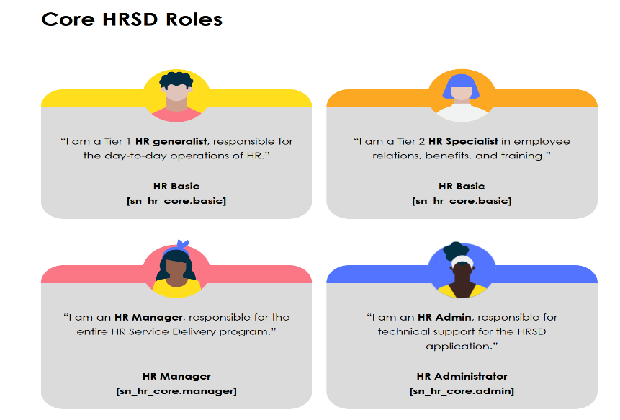
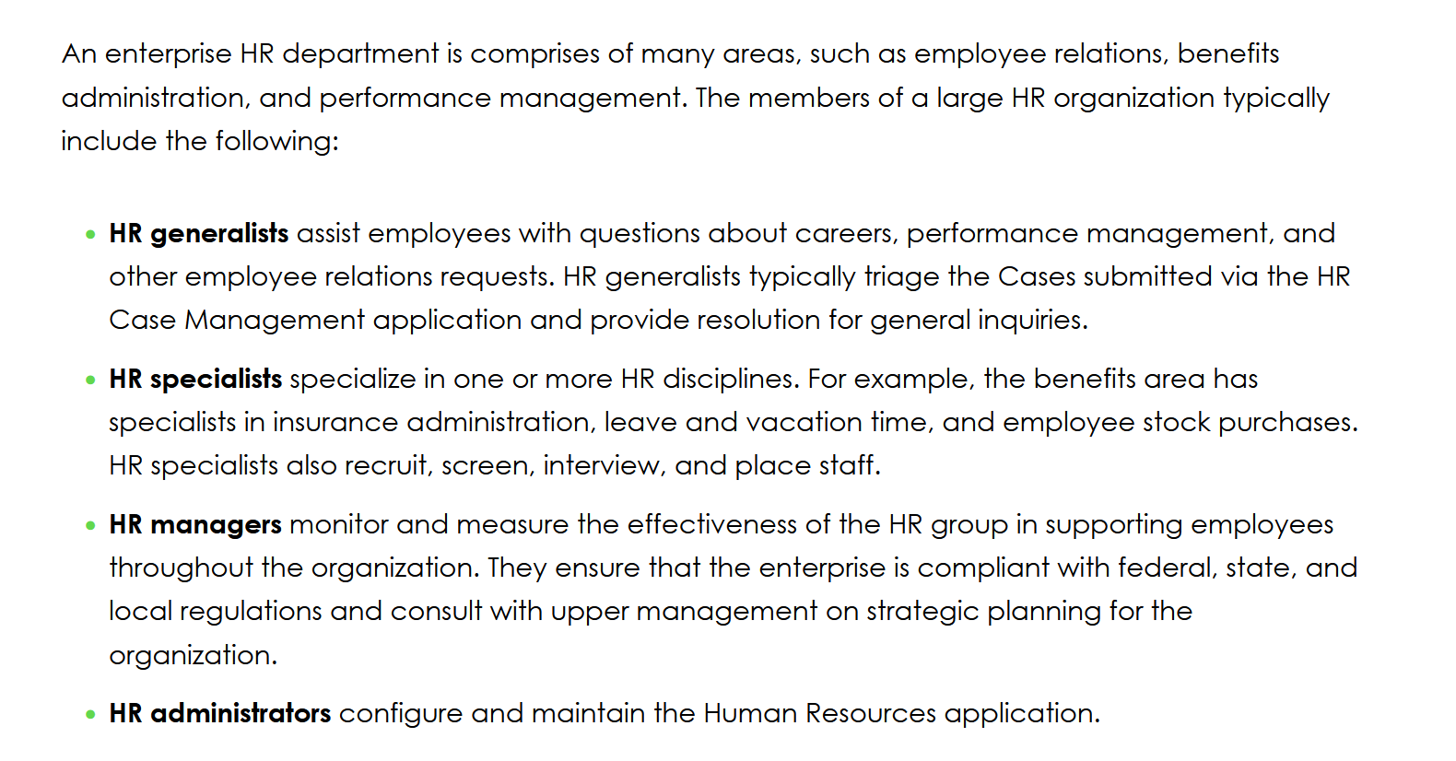
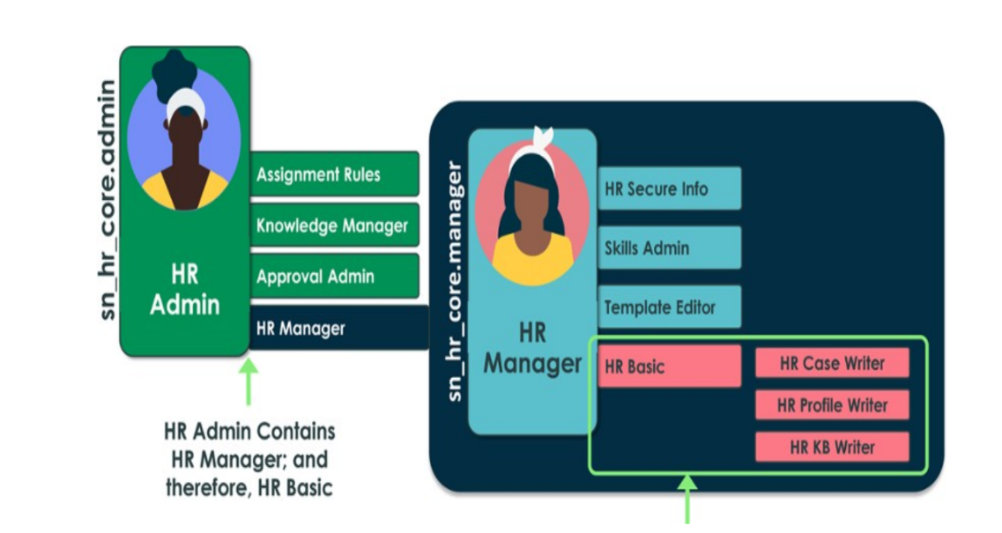
90 | Which of the following applications is installed with the Human Resources Scoped App: Core plugin? | A. Employee Service Center
 |  | B. Employee Document Management
 |  | C. Lifecycle Events
 |  | D. HR Case Management
91 | If you wanted someone to administer the Employee Service Center without granting them the HR Admin role, which scoped Admin role would they need? | A. Service Portal Admin [sn_hr_sp.admin] Most Voted
 |  | B. Widget Admin [sn_hr_widget.admin]
 |  | C. Employee Files Admin [sn_hr_ef.admin]
 |  | D. Integrations Admin [sn_hr_integrations.admin]
92 | When does the platform assign a Client Role to a user? | A. Client Roles must be manually added to each employee record
 |  | B. When an HR Profile is created or modified for the employee Most Voted | HR Fundamentals ebook page 53: When an HR Profile is created and the Employment start date and Employment type fields are completed, the system automatically assigns the employee a Client Role. https://docs.servicenow.com/bundle/vancouver-employee-service-management/page/product/human-resources/task/t_ClientRoleAssignRules.html*
 |  | C. Client Roles are automatically added with Group membership | Reminder on roles (HR Fundamentals e-book, section 2.1 "HR Groups and Roles"
 |  | D. When a User record is created for the employee
93 | If you had little coding experience and were tasked with adding new pages to the customer’s Employee Service Center, which Service Portal Configuration option would be best to complete the task? | A. Page Editor
 |  | B. Designer | https://docs.servicenow.com/bundle/vancouver-platform-user-interface/page/build/service-portal/task/t_ConfigureAPage.html
 |  | C. Widget Editor
 |  | D. Branding Editor
94 | What provides a graphical interface to create survey categories, questions, configure the details, and publish the survey? | A. Survey Designer Most Voted
 |  | B. Survey Workflow
 |  | C. Survey Developer
 |  | D. Survey Portal
95 | HR Administrators can configure a personal copy of the HR Case Dashboard using which of the following buttons? (Choose two.) | A. Change Layout Most Voted | https://docs.servicenow.com/bundle/xanadu-employee-service-management/page/product/human-resources/concept/c_HRDashboardsReports.html
 |  | B. Delete Content
 |  | C. Modify Layout
 |  | D. Add Content Most Voted
 |  | E. Add Layout
96 | What determines when the HR Chat queue is available? | A. Schedule field on the HR Profile
 |  | B. Schedule field on the User record
 |  | C. HR Chat is always available
 |  | D. Schedule field on the Queues record Most Voted | https://docs.servicenow.com/en-US/bundle/vancouver-employee-service-management/page/product/human-resources/task/t_ManageTheHRChatQueue.html
97 | What defines the path the Case or HR Task will take when it is escalated? | A. Assignment Rules
 |  | B. Business Rules
 |  | C. Matching Rules
 |  | D. Escalation Rules
98 | If the HR Administrator group has been tasked with collecting Performance Analytics data, what additional role should be granted to the group? | A. Performance Analytics Data Collector [pa_data_collector] Most Voted | Explanation: Before an HR Administrator can configure HR PA, a system Administrator needs to add the HR Admin to a group that has the PA Data Collector
 |  | B. Performance Analytics Administrator [pa_admin]
 |  | C. Performance Analytics Threshold Admin [pa_threshold_admin]
 |  | D. System Administrator [admin]
99 | If the HR Administrator has only been given the HR Admin [sn_hr_core.admin] role, what additional role is necessary for them to configure all aspects of the Employee Document Management application? | A. Employee Document Management Writer[sn_hr_ef.document_writer)
 |  | B. Employee Document Management Reader[sn_hr_ef.document_reader]
 |  | C. EF Admin [sn_hr_ef.admin] role | Human Resources Scoped App: Employee Document Files sn_hr_ef.admin
 |  | D. No additional roles are needed
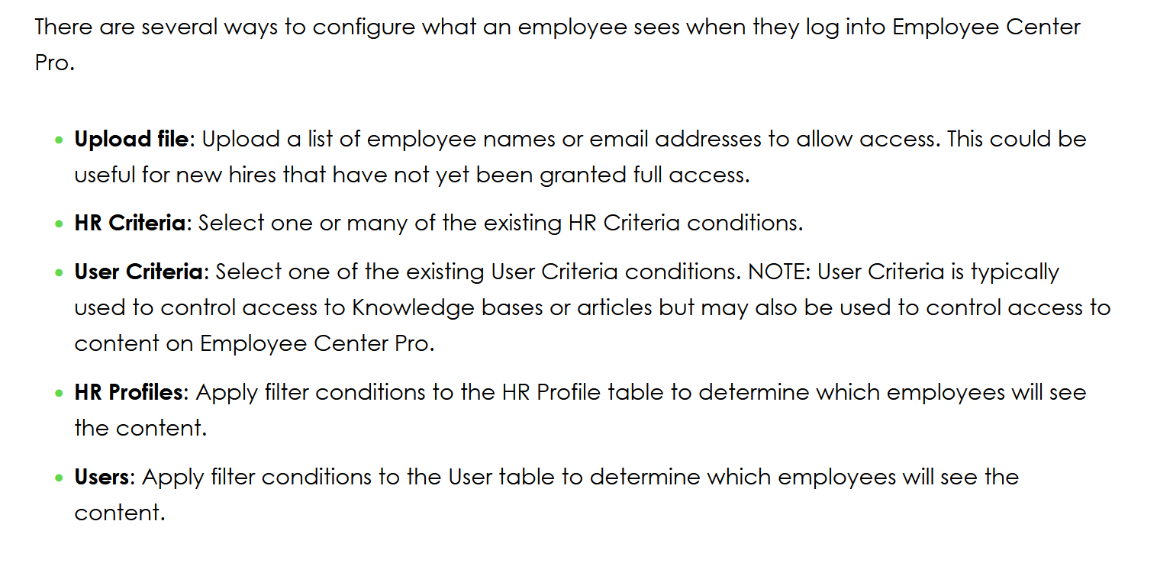
100 | If both the Knowledge Base and the KB article have no "Can Read" User Criteria, what role is required to read the article? | A. HR Basic [sn_hr_core.basic]
 |  | B. HR Manager [sn_hr_core.manager]
 |  | C. No role is needed
 |  | D. HR Admin [sn_hr_core.admin]
18 | How can an HR Administrator or Content writer limit which employees will see content on the Employee Service Center? | A. All employees will see the same information
 |  | B. Client roles automatically limit what is visible to employees
 |  | C. Using User Criteria
 |  | D. Using HR Criteria Most Voted | Explanation (HR Fundamentals e-book, section 3.1 Employee Center Pro):
101 | Using the base HRSD configuration with no integrations, when the subject person electronically signs an HR document or PDF document, the signature is saved as what? | A. a digital signature
 |  | B. a picture of the signature that is added to the document Most Voted | HR Fundamentals ebook page 117: E-signatures are not the same as digital signatures. E-signatures are an image, or picture, of your signature placed on a document to represent an acknowledgement or approval.
 |  | C. a digital key
 |  | D. a digital certificate
102 | What role needs to be removed from the Admin role at go live to prevent the System Admin from being able to see HR Profile information? | A. HR Manager [sn_hr_core.manager]
 |  | B. HR Agent [sn_hr_core.agent]
 |  | C. Core Admin [sn_core.admin]
 |  | D. HR Admin [sn_hr_core.admin]
103 | If you select Data Type Numeric Scale on the Assessment Metric (Survey Question) form there is a Scale definition field made visible. What does it mean to select High for the Scale definition? | A. It means a high score is bad
 |  | B. It means a high score is good | https://docs.servicenow.com/en-US/bundle/utah-servicenow-platform/page/administer/survey-administration/reference/r_SurveyQuestionDataTypes.html
 |  | C. There is no option for Scale definition
 |  | D. There is no option for High
104 | In which Application Scope is the Lifecycle Events table contained? | A. Human Resources: Core
 |  | B. Human Resources: Lifecycle Events
 |  | C. Human Resources: Integrations
 |  | D. Human Resources: Service Portal
105 | What settings define and track cross-scope access to applications? | A. Access Controls
 |  | B. Restricted Caller Access
 |  | C. Access Restrictions
 |  | D. Business Rules
106 | What determines which Knowledge bases, Knowledge articles, and Service Catalog Items an employee can view? | A. Filters
 |  | B. User Groups
 |  | C. HR Criteria
 |  | D. User Criteria
107 | The Template field referenced on the HR Service record is used to do what? | A. Populate fields on the HR Case record
 |  | B. Filter who can access the HR Service
 |  | C. Create pre-configured responses HR professionals can use
 |  | D. Make the HR Service accessible on the Employee Service Center
108 | When is the Record producer field needed on the HR Service record? | A. When the HR professional will be creating Cases on behalf of the employee
 |  | B. When you want the employee to request the HR Service from the Employee Service Center
 |  | C. It is always a required field
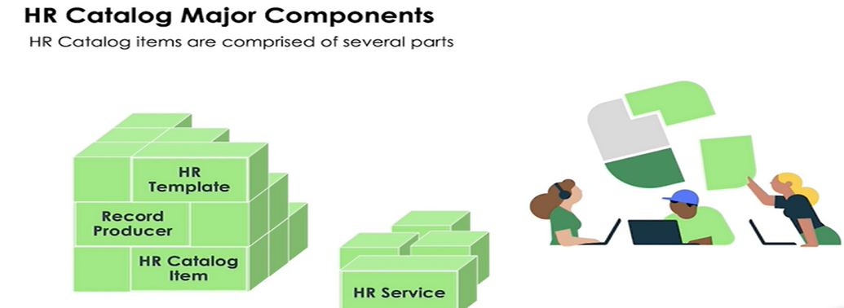
 |  | D. There is no Record producer held on the HR Service record
109 | What are the major HR Service Catalog components? (Choose four.) | A. HR Template Most Voted
 |  | B. Assignment Group
 |  | C. HR Catalog Item Most Voted
 |  | D. Matching Rule
 |  | E. Record Producer Most Voted
 |  | F. HR Service Most Voted
 |  | G. HR Profile
110 | How can HR Tasks be marked as optional? | A. Set Optional to True on the HR Task Template Most Voted
 |  | B. Set Optional to True on the Activity Set
 |  | C. Tasks cannot be optional
 |  | D. Set Optional to True on the HR Case form
111 | What provides a graphical representation of other tables related to a specific table, either through class extension or reference? | A. System Structure
 |  | B. Table Map
 |  | C. System Map
 |  | D. Schema Map Mo
112 | Scenario: An existing ITSM customer is now implementing HR Enterprise. As part of the implementation, the Scoped Application Restricted Caller Access [com.glide.scope.access.restricted_caller] plugin was automatically activated. By default, what is the Caller Access field set to? | A. Caller Denial
 |  | B. Caller Tracking
 |  | C. Caller Restriction Most Voted | https://docs.servicenow.com/fr-FR/bundle/utah-application-development/page/build/applications/concept/restricted-caller-access-privilege.html
 |  | D. Caller Allowed
113 | Which of the following is the key factor in determining the implementation timeline? | A. Configuration complexity Most Voted
 |  | B. Types of integrations
 |  | C. Customer location
 |  | D. Customer business type
114 | Beginning with the Orlando release, which module allows HR Administrators to define which groups may access the various COEs or HR Services without needing to edit or create new ACL records? | A. COE Properties
 |  | B. COE ACL Configuration Most Voted
 |  | C. Access Policies
 |  | D. COE Policy groups
115 | Scenario: You have an existing ITSM customer who is now implementing HR Enterprise. In UAT, they discovered that a new button on the HR case, created using the Link Generator application, is not displaying the appropriate web page. Instead, they get a Page Not Found error. You have verified that the Link configuration and script are both accurate. What else must be done to allow the Link to work? | A. The Status of the associated record on the Application Restricted Caller Access list must be set to Denied.
 |  | B. You must create a custom ACL to allow the link to work.
 |  | C. The Status of the associated record on the Application Restricted Caller Access list must be set to Allowed.
 |  | D. You must change Scope for the link to work.
116 | A customer using Lifecycle Events Enterprise has documented a large offboarding Lifecycle Event that includes many steps. Many of the steps, including approvals, must be completed in a specific order. Which of these is the best method to use to ensure the activities are triggered in the appropriate order? | A. Create a new lifecycle event for each of the dependent items
 |  | B. Create separate trigger conditions for each of the dependent activities
 |  | C. Create activity containers for the dependent items Most Voted | https://docs.servicenow.com/pt-BR/bundle/vancouver-employee-service-management/page/product/human-resources/task/configure-hr-lifecycle-event-activity.html
 |  | D. Create separate activity sets for each of the dependent activities
117 | What kinds of records can be created using HR Service Activities? (Choose two.) | A. Workflows
 |  | B. Approvals
 |  | C. HR Templates
 |  | D. Tasks
118 | Which HR Integrations module is used to document the URL, basic integration properties, and inbound and outbound username and password information for a third-party application? | A. HR Integration Service
 |  | B. HR Schema Mapping
 |  | C. Sources Most Voted | https://docs.servicenow.com/bundle/tokyo-employee-service-management/page/product/human-resources/task/configure-source-credentials-for-hr-management-system.html
 |  | D. HR Webservices
119 | How can a PDF document on an active HR case be generated? (Choose two.) | A. Autogenerated by system configuration Most Voted
 |  | B. By the Subject Person’s manager
 |  | C. By the employee
 |  | D. By the Assigned to person | https://docs.servicenow.com/bundle/vancouver-employee-service-management/page/product/human-resources/concept/generate-pdf-doctemp.html
120 | After configuration on a Lifecycle Event is complete, what additional configuration is needed to initiate the LE process for an employee? | A. None. The LE will automatically trigger based on its configuration

 |  | C. A Scheduled Job is needed to initiate the LE process
 |  | D. An HR Service is needed to initiate the LE process | Explanation: Remember, an HR Service is needed to initiate the Lifecycle Event
121 | In Employee Document Management, which of the following statements is true for legal holds? | A. Legal Holds are permanent and cannot be removed
 |  | B. Legal Holds may be placed on a group of HR profiles
 |  | C. Legal Holds may be placed on either a Document Type or an individual employee’s HR Profile Most Voted | https://docs.servicenow.com/bundle/vancouver-employee-service-management/page/product/human-resources/concept/exploring-employee-document-management.html
 |  | D. Legal Holds may be manually placed on individual employee documents
122 | Each HR service created in _______ has a corresponding transform map job. | A. HR Transform Maps
 |  | B. HR Integration Service
 |  | C. HR Service Mapping
 |  | D. HR Schema Mapping
123 | If the Workflow editor is utilized for a Lifecycle Event, how does the system know when a task or approval should be triggered? | A. Activities are manually triggered
 |  | B. The activity set trigger condition determines when it is triggered Most Voted | HR Implementation ebook: The Activity Set Trigger Conditions field tells the system when an Activity Set should begin and Business Rules control the behavior.
 |  | C. Activities are automatically triggered on specific dates
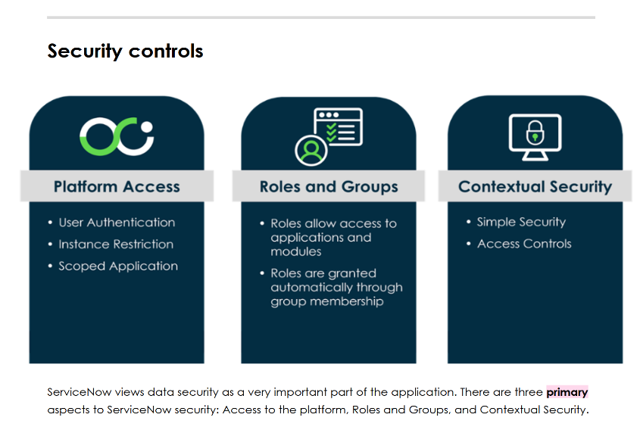
 |  | D. The Activity trigger condition determines when it is triggered
124 | What Primary Security aspects are focused on for the HR application? (Choose three.) | A. Password Security
 |  | B. ACL Security
 |  | C. Contextual Security Most Voted | HR Implementation e-book ==> Governance strategies (5.1 Security controls)
 |  | D. Physical Security
 |  | E. Roles and Groups Most Voted
 |  | F. Platform Access Most Voted
125 | A customer using Lifecycle Events Enterprise has configured their onboarding process. Now, management has tasked the HR Admin with creating a way to back out onboarding work in case the new employee decides not to join the company. Which of these is the best method to use to reverse work already performed as part of this Lifecycle Event? | A. Check the “allow blackout” box on each of the activities
 |  | B. Configure a new Lifecycle Event with the necessary activities
 |  | C. Configure the rescind activity set with the necessary activities Most Voted | https://docs.servicenow.com/bundle/vancouver-employee-service-management/page/product/human-resources/task/configure-rescind-for-a-lifecycle-event.html
 |  | D. Check the “allow blackout” box on each of the activity sets
126 | If the Applies to all services box is not checked on the COE ACL Configuration record, what additional configurations must be made to the record? | A. No additional configurations are needed
 |  | B. More than one group must be added to the Groups list
 |  | C. At least one HR Service must be selected for the Services list Most Voted
 |  | D. An Applies when condition must be created for each Service
127 | If an HR Document must be manually generated for an HR Case, who is able to generate the document from the Case record? | A. Only an HR Admin can generate Documents from a Case
 |  | B. Any HR professional can generate the Document, even if they are not assigned to the Case
 |  | C. Only the assigned to person can manually generate Documents from a Case Most Voted
 |  | D. Only the Manager of the assignment group can generate the Document
128 | What role is required at a minimum, to access the Lifecycle Events Cases View Dashboard? | A. HR Basic [sn_hr_core basic]
 |  | B. HR Case Reader [sn_hr_le.case_reader] Most Voted | This dashboard is restricted to the following roles: sn_hr_le.activity_reader, sn_hr_le.case_reader
 |  | C. LE Admin [sn_hr_le.admin]
 |  | D. HR Admin [sn_hr_core.admin]
129 | Using the Lifecycle Event Enterprise application, tasks may only be assigned to... (Choose the most appropriate answer.) | A. Only users with a Client Role
 |  | B. Only users with an HR role
 |  | C. HR Case Workers. Employees, users in other groups
 |  | D. Only users with the Manager role
130 | What identifies data from HRSD to push to a third-party HR application? | A. HR Inbound Schema Mapping
 |  | B. HR Outbound Schema Mapping Most Voted
 |  | C. HR Webservices
 |  | D. HR Service Mapping
131 | When configuring the Onboarding Lifecycle Event, the HR Admin did not select an Audience for the 'Select a Desk' task. If a remote employee is being onboarded. how does the system handle this task? | A. The Lifecycle Event rescind process will be triggered
 |  | B. The activity will be skipped
 |  | C. The Lifecycle Event will be canceled
 |  | D. The activity will be triggered and must be manually closed | https://docs.servicenow.com/bundle/vancouver-employee-service-management/page/product/human-resources/task/configure-hr-lifecycle-event-activity.html
132 | When configuring a record on the COE ACL Configuration module how can you apply the conditions to all HR services for the COE? | A. Add a filter condition for each HR service
 |  | B. Select the Applies to all services box Most Voted
 |  | C. Write a new ACL record for each HR service
 |  | D. Select each HR service using the Services list
133 | If you have both Admin [admin] and HR Admin [sn_hr_core.admin] roles and want to configure an Access Control Rule for the HR Payroll table, which of the following must first be done? | A. Manually add the Delegated Developer role to your User record
 |  | B. Manually add the security_admin role to your User record
 |  | C. From the User dropdown in the banner, elevate your role to delegated_developer
 |  | D. From the User dropdown in the banner, elevate your role to security_admin
134 | The customer has a group of developers who will be tasked with making subprod updates to the HR Integrations application. Customer policy states these developers cannot be granted the System Administrator [admin] role. Which of these is the best solution for granting the appropriate access needed to complete development work m the HR application? | A. Grant them delegated developer role to the global application scope
 |  | B. Advise the customer this work must be completed in Production
 |  | C. Grant them delegated developer role only to the HR Integrations application scope
 |  | D. Submit an exception request to allow them to have the Admin role
135 | When an employee contacts HR, they speak in terms of lifecycle events. From an HR perspective, that event gets translated into several HR services that need to be performed. Of the following items, which would be considered a lifecycle event? | A. Direct Deposit Setup
 |  | B. Having a baby Most Voted
 |  | C. PTO Inquiry
 |  | D. Tuition Reimbursement
136 | All ServiceNow web traffic uses which data protocol to ensure data is always TLS encrypted in transit. | A. REST protocol
 |  | B. HTTP
 |  | C. SOAP protocol
 |  | D. HTTPS
137 | Scenario: Alex is a member of the HR Tier 1 group which grants him the HR Basic [sn_hr_core.basic] role. He is going to be out of the office for a few days and wants to use granular delegation to allow his friend Amy to complete his tasks. Amy is not yet a member of any HR groups, but hopes to transfer into HR one day. Will granular delegation work for this purpose? | A. Yes. Granular delegation will automatically grant the necessary roles
 |  | B. Yes. Granular delegation will automatically add Amy to the HR Tier 1 group where she will inherit the role.
 |  | C. Partially. Granular delegation will allow Amy access to the HR Tasks, but not to the HR Case itself.
 |  | D. No. Granular delegation does not change a delegate's access to records. | Servicenow Docs: Important: Granular delegation does not change a delegate's access to records. To access records, a delegate must already have the necessary roles. For example, to delegate task records, a delegate must have a role such as itil to access the Task table and its extensions.
138 | Which Lifecycle Event activity type enables you to manage the dependencies or order of activities within an activity set? | A. Approval
 |  | B. Notification
 |  | C. Activity container Most Voted
 |  | D. Employee task
139 | If all Can Edit Journey permissions are selected on the Journey configuration, which of the following users are allowed to make changes to the existing Journey? (Choose two.) | A. The journey owner Most Voted | https://docs.servicenow.com/en-US/bundle/utah-employee-service-management/page/product/human-resources/reference/jny-dsgnr-user-permission-ref.html
 |  | B. The employee
 |  | C. The mentor Most Voted
 |  | D. The admin
140 | Lifecycle Events includes an activity set that can be used to cancel and revert work done in a lifecycle event case. What is this process called? | A. Reverse
 |  | B. Cancel
 |  | C. Repeal
 |  | D. Rescind
141 | When configuring a Lifecycle Event, which of the following is used to define the relationships between fields in various tables? | A. Trigger conditions
 |  | B. LE Properties
 |  | C. Activity Field Mapping Most Voted
 |  | D. HR Templates
142 | Which of the following features allows employees to delegate their tasks to other employees for specific date and time ranges based on delegation rules? | A. Role Delegation
 |  | B. Admin Delegation
 |  | C. Granular Delegation Most Voted
 |  | D. Task Delegation
143 | What is the purpose of Journey designer? | A. It tracks the progress of Lifecycle Events and onboarding cases using the dashboards.
 |  | B. It creates templates for plan and to-do tasks that managers, employees, and mentors can access.
 |  | C. It manages the dependencies of activities within an activity set.
 |  | D. It combines Lifecycle Event cases and Journey Accelerator action plans. Most Voted
144 | Which Security control option uses the context of the data within the record to grant and/or restrict access? | A. Access Control Level
 |  | B. Platform Access
 |  | C. Scoped Application
 |  | D. User Authentication
145 | Which HRSD application automates and streamlines employee onboarding and other activities across departments? | A. Lifecycle Events Most Voted
 |  | B. Employee Center
 |  | C. HR Performance Analytics
 |  | D. HR Integrations
146 | What are the functions of a journey template owner? (Choose three.) | A. Manage the order and flow of the journey stages and tasks Most Voted | https://docs.servicenow.com/bundle/vancouver-employee-service-management/page/product/human-resources/concept/jny-process-owners-maint.html
 |  | B. Create task templates for their audience in a simple, user-friendly experience Most Voted
 |  | C. Add owners and approvers to journey configurations
 |  | D. Change only the task templates that they own Most Voted
 |  | E. Maintain oversight of journey templates and approval flows
148 | Which plugin when paired with HRSD, delivers storage space, filing system, and functionality to purge and retrieve documents? | A. Employee Journey Management
 |  | B. Employee Document Management Most Voted
 |  | C. Employee Document Enterprise
 |  | D. Document Keeper
149 | What is the minimum role required to view confidential data associated with the HR Profile? | A. HR Administrator [sn_hr_core.admin]
 |  | B. Employee Service Center Admin [sn_hr_sp.admin]
 |  | C. HR basic [sn_hr_core.basic]
 |  | D. HR profile viewer [sn_hr_core.profile_reader] Most Voted | Explanation: HR profile viewer [sn_hr_core.profile_reader] The [sn_hr_core.basic] role contains [sn_hr_core.profile_writer], which contains the [sn_hr_core.profile_reader] role, so B cannot be correct.
150 | Which ServiceNow feature is used to create pulse surveys? | A. Employee Forums
 |  | B. Learning Posts
 |  | C. Listening Posts Most Voted
 |  | D. Employee Forms
151 | What is the role of Trigger conditions in activity sets? | A. It defines specific employees to the activity set targets.
 |  | B. It defines when the activity set should be initiated.
 |  | C. It defines order number for the activity set.
 |  | D. It defines the relationships between fields in various tables.
152 | Which plugin is recommended when upgrading from the global version of HR to the scoped version? | A. Human Resources Scoped App: Employee Relations [com.sn_hr_employee_relations]
 |  | B. Human Resources Scoped App: Data Migration [com.sn_hr_migration] Most Voted | HR Implementation ebook : The HR Data and Role migration plugin is recommended when upgrading from the global version of HR to the scoped version.
 |  | C. Human Resources Scoped App: Lifecycle Events [com.sn_hr_lifecycle_events]
 |  | D. Human Resources Scoped App: Integrations [com.sn_hr_integrations]
153 | Which portal allows employees to submit ethical violation complaints? | A. Lifecycle Events
 |  | B. HR Performance Analytics
 |  | C. Employee Center
 |  | D. HR Integrations
154 | When creating a new Lifecycle Event activity set, what happens when the audience field is set as empty? | A. The activity set applies to all employees. Most Voted
 |  | B. The activity set applies for a specific group of people.
 |  | C. The activity set will not apply to a specific group of people.
 |  | D. The activity set will not apply to any employees.
156 | After an HRSD implementation, what capabilities exist for a System Administrator attempting to impersonate an HR member once the HR Admin role has been removed? (Choose two.) | A. System Admin can grant scoped HR roles.
 |  | B. System Admin can view HR Cases and confidential profile information.
 |  | C. System Admin cannot grant scoped HR roles.
 |  | D. System Admin cannot view HR Cases and confidential profile information.
157 | Which application delivers employees an omni-channel learning experience to enable timely access to the correct learning? | A. Document Templates
 |  | B. Manager Hub
 |  | C. Employee Relations
 |  | D. Learning Posts Most Voted | Learning posts that is part of Journey Accelerator.
158 | If an HR Service needs to be accessible to employees on the Employee Center, which field must be completed on the HR Service record? | A. Record Producer Most Voted
 |  | B. Taxonomy Topic
 |  | C. Catalog item
 |  | D. Checklist
159 | What is the purpose of Journey designer? | A. It tracks the progress of Lifecycle Events and onboarding cases using the dashboards.
 |  | B. It passes information from the lifecycle event case to a child case or task
 |  | C. It manages the dependencies of activities within an activity set.
 |  | D. It combines Lifecycle Event cases and Journey Accelerator action plans.
160 | Which HRSD application synchronizes ServiceNow with external HR systems? | A. HR Integrations
 |  | B. Core HR Application
 |  | C. Lifecycle Events
 |  | D. Employee Center Pro
161 | Which content delivery feature will allow a user to deliver messages to employees and invite them to a meeting where survey results will be shared? | A. Campaigns Most Voted | Campaigns for content experience https://docs.servicenow.com/bundle/washingtondc-employee-service-management/page/product/employee-center/concept/ecpro-campaigns.html
 |  | B. Journey Accelerator
 |  | C. Scheduling
 |  | D. Listening Posts
162 | Which learning task template field allows creation of the short description and description in one or more languages? | A. Language Table
 |  | B. Description Template
 |  | C. Additional fields
 |  | D. Global descriptions for translations Most Voted | https://docs.servicenow.com/bundle/washingtondc-employee-service-management/page/product/human-resources/concept/translation-of-hr-cases-and-tasks.html
163 | With the I18N: Knowledge Management Internationalization Plugin v2 enabled, how are translated Knowledge articles associated with each other so that the user is presented with the article in the selected language? | A. Article Versions related list
 |  | B. Translated Versions related list Most Voted
 |  | C. Localization list
 |  | D. Dynamic translations list
165 | Which scoped table is an extension of the Task table and allow only users with approved roles to access it? | A. Human Resources Scoped App integrations [com.sn_nr_mtegrations]
 |  | B. Knowledge Management Advanced Installer [com.snc.knowledge_advanced.installer]
 |  | C. HR Core Case [sn_hr_core_case]
 |  | D. Project Portfolio Suite [com.snc.project_portfolio_suite]
166 | Which feature prevents editing or purging of employee documents based on an HR Profile? | A. Retention Policy
 |  | B. Legal Holds Most Voted | https://docs.servicenow.com/bundle/washingtondc-employee-service-management/page/product/human-resources/concept/hr-doc-management-admin.html "Place an HR profile or document type on legal hold: Placing an HR profile or document type on legal hold prevents associated employee documents from being purged after the retention period has been reached."
 |  | C. Security Policy
 |  | D. Topic Detail
167 | Which field on the Knowledge form categorizes the Knowledge record within the Knowledge base? | A. Category picker
 |  | B. Knowledge taxonomy
 |  | C. Article organizer
 |  | D. Topic categories related list
168 | In terms of bulk cases what Status label is given to a User that no longer matches the criteria defined in User Segments? | A. Duplicate
 |  | B. Inactive
 |  | C. Included
 |  | D. Excluded Most Voted | To remove a user from the user segment group, double-click in the Status column for the user you want to remove and change to Excluded. https://docs.servicenow.com/bundle/utah-employee-service-management/page/product/human-resources/task/bulk-case-segment-manage.html
169 | What type of information does the HR Profile contain? | A. Employee relations cases
 |  | B. Employee skills
 |  | C. Personal employee data
 |  | D. User ID and department information
170 | What happens when a cross-scope attempt is executed? | A. The record is automatically added to the Restricted Caller Access Privileges table Most Voted
 |  | B. The record is automatically set to caller tracking
 |  | C. The Read record status is set to requested before the system will allow the script to run | https://docs.servicenow.com/bundle/vancouver-application-development/page/build/applications/task/set-RCA-level.html
 |  | D. The record status is automatically set to allowed
171 | What are the advantages of removing the HR Admin role from the system Admin role after the HR Implementation tasks have been completed? (Choose two.) | A. Confidential HR data is only accessible to users with an HR role
 |  | B. HR has control over further HR configurations
 |  | C. System Admin can still grant scoped HR roles
 |  | D. System admin can view HR Cases and confidential profile information
172 | What are the functions of a journey template owner? (Choose three.) | A. Restrict inter-departmental transfer of sensitive case details
 |  | B. Manage the order and flow of the journey stages and tasks Most Voted
 |  | C. Create task templates for their audience in a simple user-friendly experience
 |  | D. Message new hire to welcome them to the team Most Voted
 |  | E. Change only the task templates that they own Most Voted
173 | What are the configurations for the activity set that is triggered by a date field to not trigger if the date field is empty? | A. All activity sets must trigger
 |  | B. Enable Rescind link
 |  | C. Add a script to the activity set definition
 |  | D. Select the ignore empty date box. | https://docs.servicenow.com/bundle/xanadu-employee-service-management/page/product/human-resources/reference/le-activity-set-trigger-types.html
174 | What does the template field referenced on the HR Service record do? | A. Populate fields on a Journey task
 |  | B. Populate responses for HR agents
 |  | C. Populate fields on the HR Profile
 |  | D. Populate fields on the HR Case record Most Voted
175 | Which option allows a user to make a copy of a campaign? | A. User Campaign
 |  | B. Copy Campaign
 |  | C. Update Campaign
 |  | D. Clone Campaign
176 | As part of the implementation for an HR Enterprise customer, a new Lifecycle Event for a leave of absence was created. What additional item must be configured in order to initiate the leave of absence Lifecycle Event process for an employee? | A. An assignment rule
 |  | B. A new HR Case
 |  | C. An acceptance from an HR Agent
 |  | D. An HR service
177 | If the customer has enabled Lifecycle Enterprise, in which Application Scope should they create new Lifecycle Events that will task teams throughout their organization? | A. Human Resources Scoped App: Integrations
 |  | B. Human Resources: Service Portal
 |  | C. Human Resources: Lifecycle Enterprise
 |  | D. Human Resources: Core
178 | Which of the following applications allow administrators to create templates that enable managers to develop transition plans for employees? | A. Lifecycle Events
 |  | B. Workflows
 |  | C. Journey Accelerator
 |  | D. Flow Designer
179 | The customer you are implementing has purchased HR Service Delivery Enterprise which includes Enterprise Onboarding and Transitions. Which of the following plugins must be activated to enable Lifecycle Events? | A. Employee Document Management [com.sn_employee_document_management]
 |  | B. Employee Center [com.sn_hr_service_portal]
 |  | C. Human Resources Scoped App: Core [com.sn_hr_core]
 |  | D. Human Resources Scoped App: Lifecycle Events for Enterprise [com.sn_hr_lifecycle_ent]
180 | Which HRSD application limits agent tasking only within the HR department? | A. Lifecycle Events
 |  | B. HR Performance Analytics
 |  | C. Lifecycle Events for Enterprise
 |  | D. Employee Center
181 | What method is used to set policies that determines how long documents are retained and who is covered? | A. Create a new policy trough COE Security
 |  | B. Create a new policy using ACLs
 |  | C. Go through Employee Documents > Document Type
 |  | D. Go through HR Service Template > Document Type
182 | Which ServiceNow security feature allows access to applications and modules? | A. Scoped Application
 |  | B. Roles
 |  | C. Simple Security
 |  | D. User Authentication
183 | When testing a lifecycle event, you deselected certain cards. When running the test, what does the system do with the activities that were deselected? | A. The activity wit be skipped for all future lifecycle events
 |  | B. The activity will be created and automatically cancelled for the test
 |  | C. The activity will be created and must be manually closed for the test
 |  | D. The activity will be skipped for the test
184 | Which plugin allows agent tasking only within the HR department? | A. Human Resources Scoped App: Integrations [com.sn_hr_integrations]
 |  | B. Human Resources Scoped App: Lifecycle Events [com.sn_hr_lifecycle_events]
 |  | C. Human Resources Scoped App: Lifecycle Events for Enterprise [com.sn_hr_lifecycle_ent]
 |  | D. Human Resources Scoped App: Employee Relations [com.sn_hr_employee_relations]
185 | Which feature enables agents to have discussions about their work in the Next Experience user interface? | A. Work Notes
 |  | B. Sidebar overview
 |  | C. Connect Chat
 |  | D. Scheduling
186 | What role, at a minimum, is required to configure an HR integration source? | A. HR Manager [sn_hr_core.manager]
 |  | B. Integrations Admin [sn_hr_integrations.admin]
 |  | C. HR Admin [sn_hr_core.admin]
 |  | D. HR Basic [sn_hr_core.basic]
187 | Which application is used to analyze trends, patterns, and data on the Team Insights page? | A. Manager Hub Most Voted
 |  | B. HR Integrations
 |  | C. Employee Center
 |  | D. Lifecycle Events
188 | Which feature allows HR Administrators to define when surveys are sent? | A. Survey Designer
 |  | B. Assessments
 |  | C. Listening Posts
 |  | D. Trigger Conditions
189 | Which feature of Lifecycle Events will revert an already completed activity such as the workplace setup? | A. Rescind Activity Set
 |  | B. Rescind Hire
 |  | C. Undo Activities
 |  | D. Activity Container
190 | The HR Integrations application works very similarly to any other integration in the ServiceNow platform, however its application scope only allows users with the appropriate HR roles to access its information. In which Application Scope is HR Integrations? | A. Restricted Caller Access
 |  | B. Openframe Integration App
 |  | C. Human Resources: Integrations
 |  | D. Human Resources: Core
191 | Which module allows administrators to restrict access to specific HR Services without creating ACL records? | A. Client-Side Masking
 |  | B. COE Security Configuration
 |  | C. Prevent access to tables
 |  | D. COE Encryption
192 | If Advanced is selected for an Activity Set Trigger Condition, what additional field(s) become visible? | A. Activity Type
 |  | B. Trigger script
 |  | C. Date offset type
 |  | D. Activity set dependencies
193 | Which feature allows a user to transfer tasks related to Employee Relocation Approvals to another user? | A. Audience
 |  | B. Roles and Groups
 |  | C. Granular Delegation
 |  | D. Rescind Activity Set
194 | Which application is used to send prompts to managers and employees in their flow of work? | A. HR Performance Analytics
 |  | B. Proactive Prompts Most Voted | Proactive Prompts enable contextual and proactive engagement for managers and employees by bringing actionable insights as prompts into their flow of work.
 |  | C. Lifecycle Events
 |  | D. HR integrations
195 | How are conditions applied to all HR services when configuring a record on the COE Security Configuration module? | A. Select the 'Applies to all services' box
 |  | B. Write a new ACL record for each HR service
 |  | C. Add a filter condition for each HR service
 |  | D. Select each HR service using the services list
196 | Which content delivery feature will allow a user to deliver messages to employees to encourage them to complete their assigned surveys, track survey completions, and invite them to a meeting where survey results will be shared? | A. Lifecycle Events
 |  | B. Campaigns
 |  | C. Journey Accelerator
 |  | D. Leaning Posts
197 | When using Agent workspace for Case Management, how can the maximum default size of 30MB for an Employee Document be changed? | A. Using the maximum file upload size in megabytes Security policy
 |  | B. Using the file upload size system property
 |  | C. Using the maximum file upload size in megabytes field in the Employee Document Properties Most Voted | https://docs.servicenow.com/bundle/washingtondc-employee-service-management/page/product/human-resources/reference/employee-doc-properties.html sn_hr_ef.max_file_size (Maximum file upload size in megabytes:) The maximum file size of a document you can upload. The default is 30 megabytes. You can change this value, but system performance can be affected.
 |  | D. Using the maximum file upload size business rule

